copy
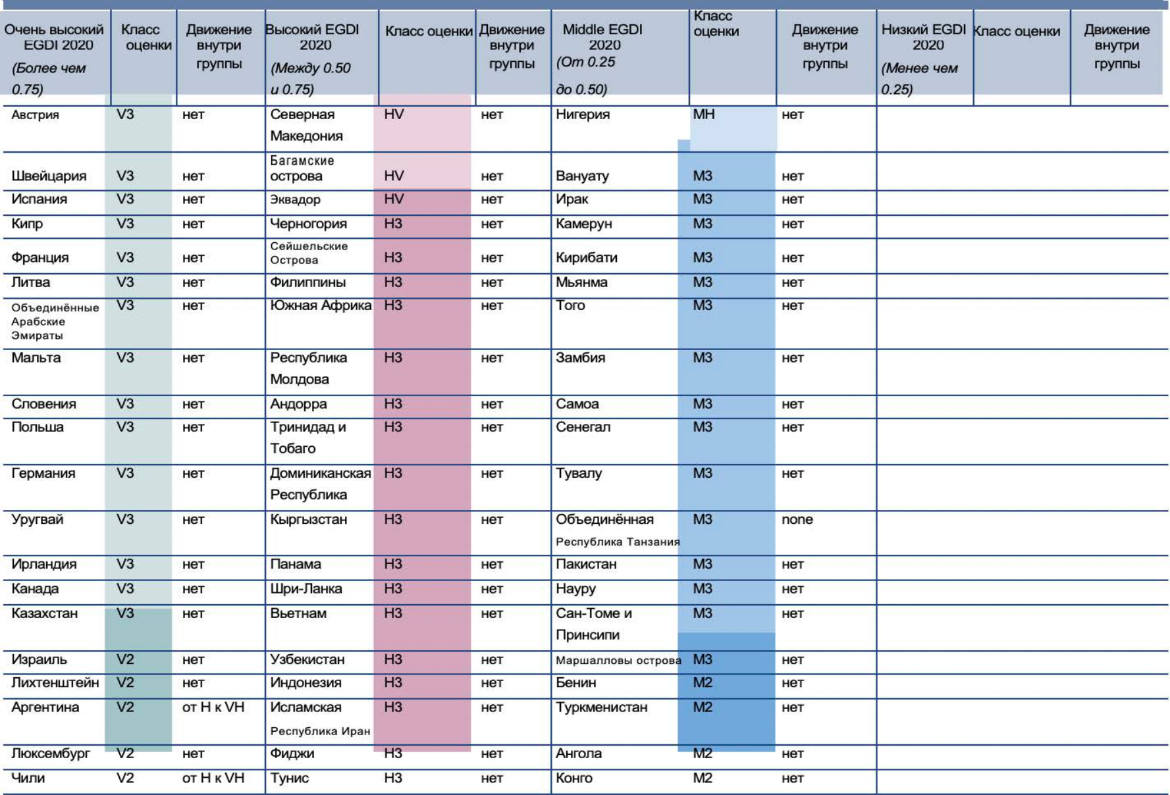
Таблица 1.2. Группы стран EGDI и классы оценок в группах EGDI (от самых высоких до самых низких) в 2020 году и движение между группами EGDI в период между 2018 и 2020 годами
Very High EGDI 2020 (Greater than 0.75) | Rating Class | Movement within group | High EGDI 2020 (Between 0.50 and 0.75) | Rating Class | Movement within the group | Middle EGDI 2020 (Between 0.25 to 0.50) | Rating Class | Movement within the group | Low EGDI 2020 (Less than 0.25) | Rating Class | Movement within the group
Austria | V3 | none | North Macedonia | HV | none | Nigeria MH none
Switzerland | V3 | none | Bahamas | HV | none | Vanuatu | M3 | none
Spain | V3 | none | Ecuador | HV | none | Iraq | M3 | none
Cyprus | V3 | none | Montenegro | H3 | none | Cameroon | M3 | none
France | V3 | none | Seychelles | H3 | none | Kiribati | M3 | none
Lithuania | V3 | none | Philippines | H3 | none | Myanmar | M3 | none
United Arab Emirates | V3 | none | South Africa | H3 | none | Togo | M3 | none
Malta | V3 | none | Republic of Moldova | H3 | none | Zambia | M3 | none
Slovenia | V3 | none | Andorra | H3 | none | Samoa | M3 | none
Poland | V3 | none | Trinidad and Tobago | H3 | none | Senegal | M3 | none
Germany | V3 | none | Dominican Republic | H3 | none | Tuvalu | M3 | none
Uruguay | V3 | none | Kyrgyzstan | H3 | none | United Republic of Tanzania | M3 | none
Ireland | V3 | none | Panama | H3 | none | Pakistan | M3 | none
Canada | V3 | none | Sri Lanka | H3 | none | Nauru | M3 | none
Kazakhstan | V3 | none | Viet Nam | H3 | none | Sao Tome and Principe | M3 | none
Israel | V2 | none | Uzbekistan | H3 | none | Marshall Islands | M3 | none
Liechtenstein | V2 | none | Indonesia | H3 | none | Benin | M2 | none
Argentina | V2 | H to VH | Iran (Islamic Republic of) | H3 | none | Turkmenistan | M2 | none
Luxembourg | V2 | none | Fiji | H3 | none | Angola | M2 | none
Chile | V2 | H to VH | Tunisia | H3 | none | Congo | M2 | none

